Figure S1
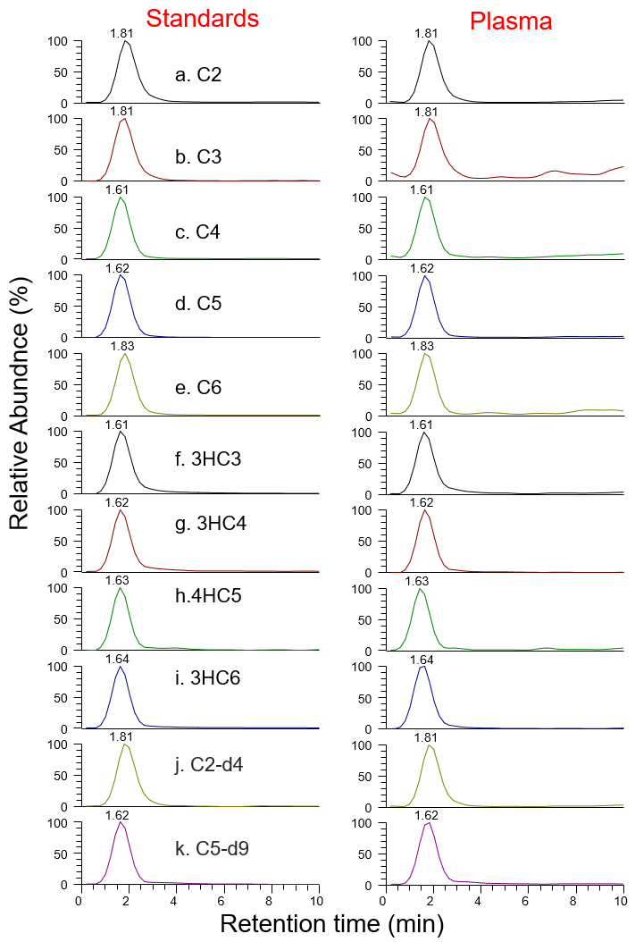
Figure S1 Extracted ion chromatograms of short-chain fatty acids. Left panel (authentic standards) and right panel (endogenous plasma SCFAs)

